Questions & Recs
Regional Sales
Top performing customer and product segments
An analysis based on orders, customers, product categories, and returns
Superstore
Q1
* Question. How many products were ordered, and when?
What are the product categories, which product category had the highest quantity of orders?*/
Wanted amount of products used count to find quantity of product in orders
Returns Results: Products are broken down into Technology, Furniture, and Office Supplies, Office Supplies had the highest quantity of orders
1 "Technology" 196951
2 "Furniture" 192943
3 "Office Supplies" 610097

Q2
What was the overall most ordered product category/sub-category based on orders?
Concatenate statement created By combining subcategory beside category for ease of comparison
Results:The most ordered category/sub-category "Office Supplies:Binders" 120953 ordered

Q3
Question:2020 saw the least products sold to-date, why is that?
Answer- The superstore dataset only includes data from Q1 in 2020.

SELECT
EXTRACT(YEAR FROM order_date) as "Year"
,EXTRACT(QUARTER FROM order_date) as "Quarter"
,date_trunc('year', order_date) as "Date"
FROM orders
group by 1,2,3
order by 1 desc;

Q3
Question: What is the total amount of products sold per year? |  |  |  |  | In 2020, 18,777 were sold.
2020 "2020-01-01 00:00:00" 18777 |  |  |  |  | In 2019, 539,367 were sold.
2019 "2019-01-01 00:00:00" 539367
2018 "2018-01-01 00:00:00" 279486
2017 "2017-01-01 00:00:00" 125069
2016 "2016-01-01 00:00:00" 37278
2015 "2015-01-01 00:00:00" 14

Q4
What is the total amount of products sold per category by year?
2020 | Furniture | 3897
2020 | Office Supplies | 11304
2020 | Technology | 3576
2019 | Furniture | 103475
2019 | Office Supplies | 329804
2019 | Technology | 106088

Q5
What is the total overall profit for each category? |  |  |  |  |  | Key Discovery: Tables are displaying negative profit, to be investigated further, time permitting
Returns Results:
"Furniture" 330401.63 Furniture sum of profit
"Office Supplies" 621998.31 Office Supplies sum of profit
"Technology" 706209.15 Technology sum of profit

Q6
What was profit by category in 2020 and 2019?
select EXTRACT(YEAR FROM order_date) as "Year", concat(category, ':', sub_category) as "Categories"
, sum (profit) as "Total Profit"
, round (100*(sum(o.profit)/(select sum(o.profit) from orders o)),2) as "Percent Profit"
from orders o
join products p on p.product_id = o.product_id
group by 1,2
order by 1 desc;

Q7
How much in sales did each product category generate in 2020 and 2019?
2020 | Furniture | 1548567.26 | 934.9 | 0.06
2020 | Office Supplies | 1305359.29 | 2038.77 | 0.12
2020 | Technology | 1594651.88 | 853.17 | 0.05
2019 | Furniture | 42826141.07 | 113900.5 | 6.87
2019 | Office Supplies | 40176905.94 | 237028.8 | 14.29
2019 | Technology | 49433329.15 | 258250.69 | 15.57

Q8
What wer the total number of sales per quarter in 2020 and 2019?
2020 | 1 | "2020-01-01 00:00:00" | 4448578.43
2019 | 1 | "2019-01-01 00:00:00" | 19040718.72
2019 | 2 | "2019-01-01 00:00:00" | 25869274.85
2019 | 3 | "2019-01-01 00:00:00" | 38796089.94
2019 | 4 | "2019-01-01 00:00:00" | 48730292.65

Q9
What is the total number of returns for each product category based on orders?
Furniture | 192943 | 10611
Technology | 196951 | 9603
Office Supplies | 610097 | 31036

Q10
What is the the top performing product segment overall, or the highest profiting category and subcategory less returns?
*To factor in returns made when looking at sales and profit, I left joined table orders with table returns and excluded all
orders that have been returned to reflect real sales figures, assuming that returned orders might have been refunde
, sum (profit) as "Total Profit"
, sum (sales) as "Total Sales"
, round (sum(profit)/sum(sales),5) as "Profit Margin"
from orders o
join products p on p.product_id = o.product_id
left join returns rt on rt.order_id = o.order_id
where rt.reason_returned is null
group by 1,2
order by 1 desc;

Justification: The superstore dataset only includes data from Q1 in 2020, so I expanded my analysis back into 2019 as numbers can be
analyzed across a full 4 quarters this way. I joined products to get an idea of products sold yearly for each category, but that was not
enough to determine the highest performing product segment. To get a better idea of performance, I want to know what amount of profit each
product category is responsible for. If there was a return after an order, then no profit was made. That needs to be considered in
identifying the top performing product.

Approach: To factor in product returns made when looking at sales and profit, I left joined table Orders with table Returns and excluded
all orders that have been returned to reflect real sales figures, and assumed that returned orders might have been refunded. High gross
profit margin indicates that a company is successfully meeting and exceeding its overhead. I will apply this notion to the product segment
by saying, that the top performing product category/subcategory will have the highest profit margin. I then calculated Profit Margin as
profit/sales.

Findings: The top performing product segment overall is Office Supplies. In 2020 office supply binders has the highest profit margin.
Since 2020 data only covers Q1, in 2019 Office Supplies is the highest grossing product category. Office Supplies:Labels earned
the most profit less overhead expenses in 2019 whereas the furniture segment still found itself in the negative in overall profit and
margin for tables in 2019 after returns were considered. In 2018 Office Supplies fared well overall with Labels and Paper bringing in
the most profit after returned product was factored in.

Q11
What customer spent the most money at superstore, and returned the least products? This person is our top customer.
What consumer segment did they belong to? This is the TOP Customer segment
Technology | Tamara Chand | Technology:Copiers | Corporate | 153 | 9043.78 | 1
Technology | Raymond Buch | Technology:Copiers | Consumer | 51 | 7411.68 | 0

Justification:To identify the best-performing product segment, I again made another assumption. It is generally common knowledge that preferred,
or TOP, customers are the ones who spend the most, and return the least at any company or establishment. That being said, I wanted to
find out who the customers are, how much money they spent, and how many returns they are each responsible for. I joined customers to
orders get a list of customers and used the CONCAT function to combine category and subcategory beside one another for ease of
comparison, then I joined products to orders and pulled in products to drill down further to the specific item and view its
performance among customers i.e. what customer spent the most money at superstore, returned the least products.

Findings:Referring to the business inquiry from the Regional Director of Superstore, I need to identify the TOP performing Customer
Segment. I left joined returns as I wanted to pull in returns and used COUNT to retrieve returns for each customer in the list. I joined customers
since the table is only 3 columns, and I need two of them as I wanted to pull in customers and customer segment they each belong to.
Tamara Chand from the Corporate Customer segment placed 153 orders and spent $9043.78, the most money in Superstore. While Tamara made
only 1 return, I do not know the amount of that return. If the amount of the item returned by Tamara exceeds $2,000, then Raymond Buch
of the Consumer segment would then be the TOP performing as he placed 51 orders and spent $7411.68 and made 0 returns.

Analysis & Charts
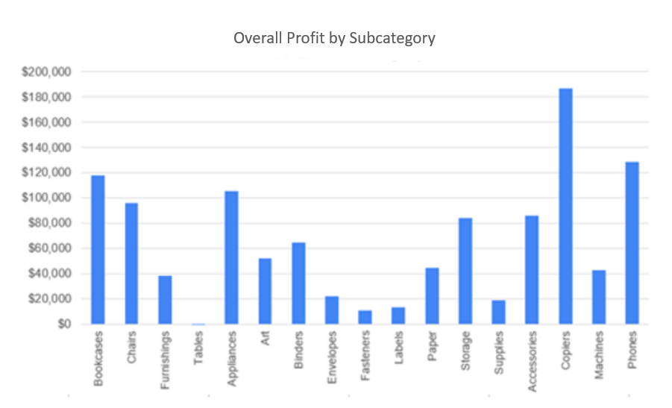
Data Analysis
Add your aggregated query results here, then build charts from your results and add them here.
Must include a summary with takeaways of your findings. Include only tables and charts that were used in your presentation.

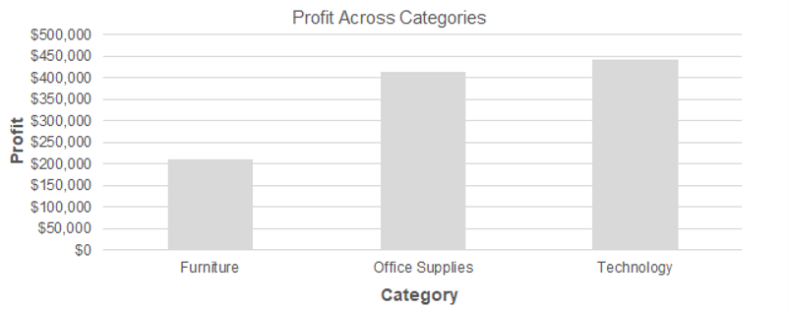

Q5

